tracks
List of info, error and warning messages

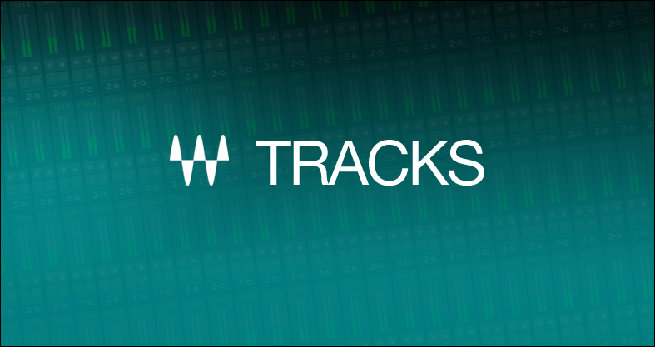

 | Content
version 1.0 | Status | Color Code
Jun-14 | Under Review (TBD)

 | Future Implements | Italic purple

